Main
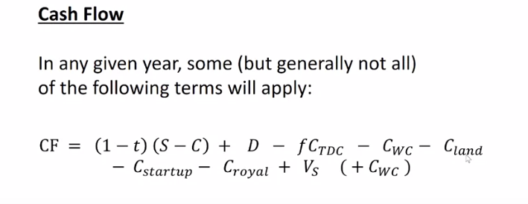
PROFITABILITY ANALYSIS - MONTE CARLO SIMULATION

C_land | -3.00 |  | S | 40.3 |  | C | -5.66
C_royalties | -3.46 |  | Tax: | 0.4 |  | i | 10.5%
TDC | -47.4
WC | -26.3 |  |  | *IMPORTANT: DON'T CHANGE ANYTHING ON THIS SHEET ACCEPT
C_start | -10.7 |  |  | FOR INPUTS HIGHLIGHTED IN GREEN!
 |  |  |  |  |  |  |  |  |  |  |  | (PV)
Year | TDC | WC | C_land | C_royalty | C_startup | V_S | D | S | C | ATE | Cash Flow | Disc. CF | NPV | MACRS-7
1 | -23.68 |  | -3.00 |  |  |  |  |  |  |  | -26.675428919 | -26.68 | -26.68
2 | -23.68 | -26.27 |  |  | -10.72 |  |  |  |  |  | -60.662793319 | -54.90 | -81.57
3 |  |  |  | -3.46 |  |  | 6.77 | 20.13 | -2.83 | 9.72 | 13.02 | 10.67 | -70.91 | 14.29%
4 |  |  |  | -3.46 |  |  | 11.60 | 32.21 | -4.53 | 15.08 | 23.22 | 17.21 | -53.70 | 24.49%
5 |  |  |  | -3.46 |  |  | 8.28 | 40.26 | -5.66 | 22.58 | 27.41 | 18.38 | -35.32 | 17.49%
6 |  |  |  | -3.46 |  |  | 5.91 | 40.26 | -5.66 | 24.00 | 26.46 | 16.06 | -19.26 | 12.49%
7 |  |  |  | -3.46 |  |  | 4.23 | 40.26 | -5.66 | 25.01 | 25.78 | 14.16 | -5.09 | 8.93%
8 |  |  |  | -3.46 |  |  | 4.22 | 40.26 | -5.66 | 25.02 | 25.78 | 12.82 | 7.72 | 8.92%
9 |  |  |  | -3.46 |  |  | 4.23 | 40.26 | -5.66 | 25.01 | 25.78 | 11.60 | 19.32 | 8.93%
10 |  |  |  | -3.46 |  |  | 2.11 | 40.26 | -5.66 | 26.28 | 24.94 | 10.15 | 29.48 | 4.46%
11 |  |  |  | -3.46 |  |  |  | 40.26 | -5.66 | 27.55 | 24.09 | 8.88 | 38.35
12 |  |  |  | -3.46 |  |  |  | 40.26 | -5.66 | 27.55 | 24.09 | 8.03 | 46.39
13 |  |  |  | -3.46 |  |  |  | 40.26 | -5.66 | 27.55 | 24.09 | 7.27 | 53.66
14 |  |  |  | -3.46 |  |  |  | 40.26 | -5.66 | 27.55 | 24.09 | 6.58 | 60.24
15 |  | 26.27 |  | -3.46 |  |  |  | 40.26 | -5.66 | 27.55 | 50.36 | 12.45 | 72.68

Histogram
-37.5 | 3
-32.5 | 7
-27.5 | 10
-22.5 | 14
-17.5 | 32
-12.5 | 45
-7.5 | 71
-2.5 | 100
2.5 | 114
7.5 | 137
12.5 | 193
17.5 | 210
22.5 | 273
27.5 | 300
32.5 | 322
37.5 | 304
42.5 | 319
47.5 | 325
52.5 | 286
57.5 | 270
62.5 | 278
67.5 | 259
72.5 | 232
77.5 | 203
82.5 | 163
87.5 | 136
92.5 | 92
97.5 | 85
102.5 | 64
107.5 | 46
112.5 | 34
117.5 | 25
122.5 | 18
127.5 | 14
132.5 | 7
137.5 | 4
142.5 | 0
147.5 | 3

